NatGas_Data 3_Production
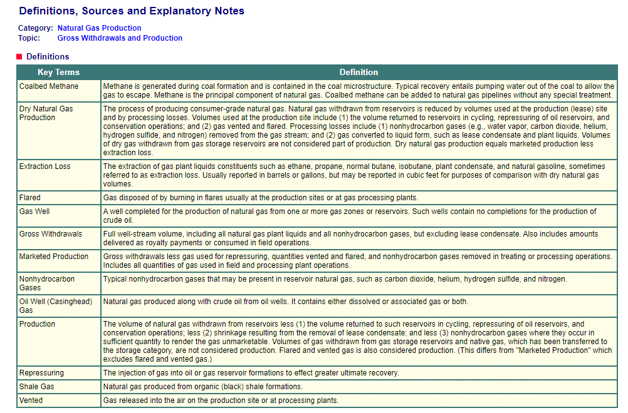
Back to Contents | Data 3: Production
Sourcekey | NA1170_SCA_8 | NGM_EPG0_XDC_SCA_COUNT | N9010CA2 | N9011CA2 | N9012CA2 | NGM_EPG0_FGS_SCA_MMCF | NGM_EPG0_FGC_SCA_MMCF | N9020CA2 | N9030CA2 | N9040CA2 | N9050CA2 | NA1180_SCA_2 | NA1150_SCA_2 | NA1160_SCA_2
Date | California Natural Gas Number of Gas and Gas Condensate Wells (Count) | California Natural Gas Number of Oil Wells (Count) | California Natural Gas Gross Withdrawals (MMcf) | California Natural Gas Gross Withdrawals from Gas Wells (MMcf) | California Natural Gas Gross Withdrawals from Oil Wells (MMcf) | California Natural Gas Gross Withdrawals from Shale Gas (Million Cubic Feet) | California Natural Gas Gross Withdrawals from Coalbed Wells (MMcf) | California Natural Gas Repressuring (MMcf) | California Nonhydrocarbon Gases Removed from Natural Gas (MMcf) | California Natural Gas Vented and Flared (MMcf) | California Natural Gas Marketed Production (MMcf) | California Natural Gas Processed (Million Cubic Feet) | California Natural Gas Plant Liquids Production (Million Cubic Feet) | California Dry Natural Gas Production (Million Cubic Feet)
2015-06-30 | 4210 | 27080 | 236648 | 42658 | 69168 | 124822 | 0 | 0 | 0 | 0 | 236648 | 150561 | 12470 | 224178
2016-06-30 | 3997 | 25088 | 205025 | 29370 | 57157 | 118498 | 0 |  |  |  | 205025 | 120313 | 10597 | 194428
2017-06-30 | 3768 | 24690 | 212458 | 41835 | 58962 | 111662 | 0 | 0 | 0 | 0 | 212458 | 100780 | 9465 | 202993
2018-06-30 | 3631 | 40368 | 202617 | 45984 | 39959 | 116671 | 2 | 0 | 0 | 0 | 202617 | 92272 | 9397 | 193220
2019-06-30 | 3627 | 42965 | 196823 | 38831 | 45270 | 112721 | 1 | 0 | 0 | 0 | 196823 | 88856 | 8733 | 188090
2020-06-30 | 3583 | 41923 | 170579 | 28581 | 39528 | 102469 | 1 | 0 | 0 | 0 | 170579 | 81643 | 7838 | 162741
2021-06-30 |  |  | 140003 |  |  |  |  |  |  |  | 140003
 |  |  |  |  |  |  |  |  |  | Natural Gas Production (dry production)
 |  |  |  |  |  |  | 1.03E+09 | BTU/MMcf | 2015-06-30 | 2.31E+14
 |  |  |  |  |  |  |  |  | 2016-06-30 | 2.00E+14
 |  |  |  |  |  |  |  |  | 2017-06-30 | 2.09E+14
 |  |  |  |  |  |  |  |  | 2018-06-30 | 1.99E+14
 |  |  |  |  |  |  |  |  | 2019-06-30 | 1.94E+14
 |  |  |  |  |  |  |  |  | 2020-06-30 | 1.68E+14

 |  |  |  |  |  | https://www.eia.gov/dnav/ng/TblDefs/ng_prod_sum_tbldef2.asp

CA_ImportsExports
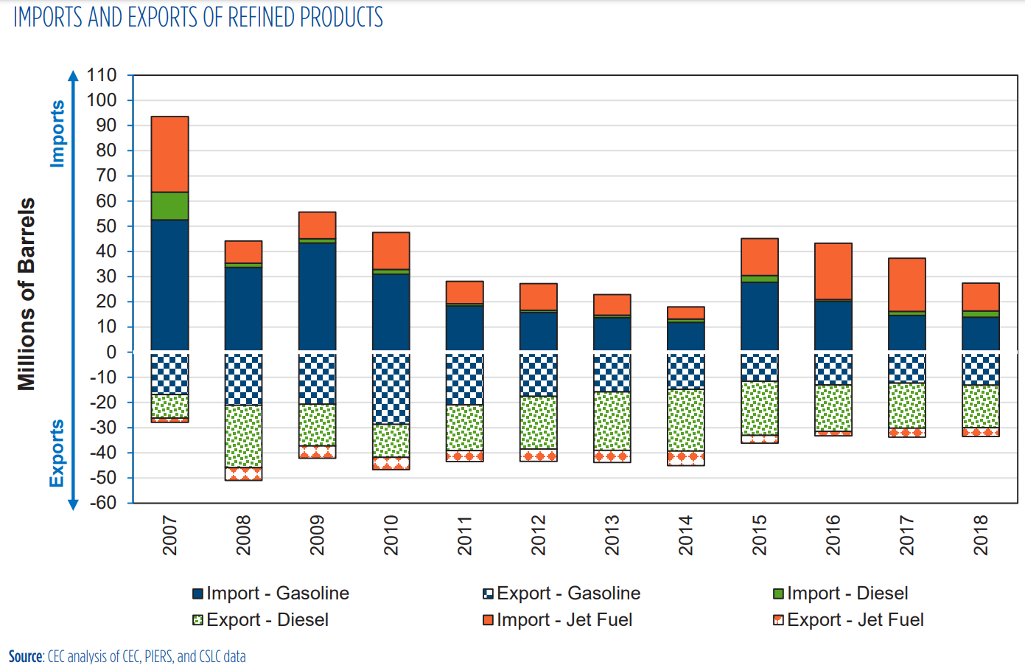
https://www.energy.ca.gov/sites/default/files/2020-03/March_2020_Petroleum_Watch.pdf
 |  |  |  |  | Scale:
 |  |  |  |  | Million Barrels | Pixels | Barrels/Pixel
 |  |  |  |  | 10 | 35 | 2.86E+05

 |  |  |  |  | Year 2018
 |  |  |  |  | Imports | Pixels | Barrels | Gallons | BTU
 |  |  |  |  | Gasoline | 48 | 1.37E+07 | 5.76E+08 | 6.46E+13
 |  |  |  |  | Diesel | 8 | 2.29E+06 | 9.60E+07 | 1.23E+13
 |  |  |  |  | Jet Fuel | 38 | 1.09E+07 | 4.56E+08 | 5.67E+13

 |  |  |  |  | Exports | Pixels | Barrels | Gallons | BTU
 |  |  |  |  | Gasoline | 46 | 1.31E+07 | 5.52E+08 | 6.19E+13
 |  |  |  |  | Diesel | 59 | 1.69E+07 | 7.08E+08 | 9.09E+13
 |  |  |  |  | Jet Fuel | 12 | 3.43E+06 | 1.44E+08 | 1.79E+13

Imports: using pixel counter data above
Exports: using CARB data
Set 2018 = 2019 & 2020
Scaled 2020-2050 using variable in EPS: Total Primary Energy Use
Data Source: | Imports | 2018 | 2019 | 2020 | 2021 | 2022 | 2023 | 2024 | 2025 | 2026 | 2027 | 2028 | 2029 | 2030 | 2031 | 2032 | 2033 | 2034 | 2035 | 2036 | 2037 | 2038 | 2039 | 2040 | 2041 | 2042 | 2043 | 2044 | 2045 | 2046 | 2047 | 2048 | 2049 | 2050
Pixel Counter | Gasoline | 6.46E+13 | 6.46E+13 | 6.46E+13 | 7.27E+13 | 7.20E+13 | 7.12E+13 | 6.98E+13 | 6.83E+13 | 6.67E+13 | 6.50E+13 | 6.33E+13 | 6.14E+13 | 5.92E+13 | 5.70E+13 | 5.46E+13 | 5.25E+13 | 5.03E+13 | 4.83E+13 | 4.62E+13 | 4.40E+13 | 4.16E+13 | 3.91E+13 | 3.66E+13 | 3.41E+13 | 3.19E+13 | 2.98E+13 | 2.79E+13 | 2.61E+13 | 2.46E+13 | 2.32E+13 | 2.21E+13 | 2.11E+13 | 2.03E+13
Pixel Counter | Diesel | 1.23E+13 | 1.23E+13 | 1.23E+13 | 1.23E+13 | 1.22E+13 | 1.19E+13 | 1.17E+13 | 1.15E+13 | 1.13E+13 | 1.11E+13 | 1.09E+13 | 1.06E+13 | 1.03E+13 | 1.03E+13 | 1.03E+13 | 1.02E+13 | 1.02E+13 | 1.02E+13 | 1.02E+13 | 1.01E+13 | 1.01E+13 | 1.01E+13 | 1.01E+13 | 1.00E+13 | 1.01E+13 | 1.00E+13 | 1.01E+13 | 1.01E+13 | 1.01E+13 | 1.02E+13 | 1.03E+13 | 1.04E+13 | 1.05E+13
Pixel Counter | Jet Fuel | 5.67E+13 | 5.67E+13 | 5.67E+13 | 7.64E+13 | 8.45E+13 | 8.76E+13 | 8.89E+13 | 8.98E+13 | 8.96E+13 | 8.93E+13 | 8.93E+13 | 8.91E+13 | 8.92E+13 | 8.96E+13 | 9.02E+13 | 9.09E+13 | 9.16E+13 | 9.23E+13 | 9.27E+13 | 9.30E+13 | 9.34E+13 | 9.38E+13 | 9.45E+13 | 9.51E+13 | 9.59E+13 | 9.68E+13 | 9.77E+13 | 9.85E+13 | 9.92E+13 | 9.98E+13 | 1.00E+14 | 1.01E+14 | 1.01E+14

 | Exports | 2018 | 2019 | 2020 | 2021 | 2022 | 2023 | 2024 | 2025 | 2026 | 2027 | 2028 | 2029 | 2030 | 2031 | 2032 | 2033 | 2034 | 2035 | 2036 | 2037 | 2038 | 2039 | 2040 | 2041 | 2042 | 2043 | 2044 | 2045 | 2046 | 2047 | 2048 | 2049 | 2050
CARB | Gasoline |  |  | 190652692406400 | 204228332713440 | 2.14E+14 | 2.12E+14 | 2.08E+14 | 2.05E+14 | 2.00E+14 | 1.96E+14 | 1.91E+14 | 1.86E+14 | 1.80E+14 | 1.73E+14 | 1.66E+14 | 1.59E+14 | 1.53E+14 | 1.47E+14 | 1.40E+14 | 1.33E+14 | 1.26E+14 | 1.19E+14 | 1.11E+14 | 1.04E+14 | 9.67E+13 | 9.05E+13 | 8.45E+13 | 7.92E+13 | 7.46E+13 | 7.05E+13 | 6.70E+13 | 6.41E+13 | 6.15E+13
CARB | Diesel |  |  | 2.5000573659E+14 | 2.3151909817E+14 | 3.09E+14 | 3.35E+14 | 3.59E+14 | 3.82E+14 | 4.05E+14 | 4.27E+14 | 4.47E+14 | 4.66E+14 | 4.83E+14 | 4.79E+14 | 4.74E+14 | 4.68E+14 | 4.64E+14 | 4.58E+14 | 4.53E+14 | 4.46E+14 | 4.39E+14 | 4.33E+14 | 4.28E+14 | 4.22E+14 | 4.18E+14 | 4.12E+14 | 4.07E+14 | 4.03E+14 | 4.01E+14 | 4.00E+14 | 3.99E+14 | 4.01E+14 | 4.02E+14
Pixel Counter | Jet Fuel | 1.79E+13 | 1.79E+13 | 1.79E+13 | 2.41E+13 | 2.67E+13 | 2.77E+13 | 2.81E+13 | 2.84E+13 | 2.83E+13 | 2.82E+13 | 2.82E+13 | 2.81E+13 | 2.82E+13 | 2.83E+13 | 2.85E+13 | 2.87E+13 | 2.89E+13 | 2.91E+13 | 2.93E+13 | 2.94E+13 | 2.95E+13 | 2.96E+13 | 2.98E+13 | 3.00E+13 | 3.03E+13 | 3.06E+13 | 3.08E+13 | 3.11E+13 | 3.13E+13 | 3.15E+13 | 3.17E+13 | 3.18E+13 | 3.19E+13

Source: | EPS: Total Primary Energy Use |  |  | 2020 | 2021 | 2022 | 2023 | 2024 | 2025 | 2026 | 2027 | 2028 | 2029 | 2030 | 2031 | 2032 | 2033 | 2034 | 2035 | 2036 | 2037 | 2038 | 2039 | 2040 | 2041 | 2042 | 2043 | 2044 | 2045 | 2046 | 2047 | 2048 | 2049 | 2050
EPS | hard coal |  |  | 94240100000000 | 93324500000000 | 92423800000000 | 91520400000000 | 90607300000000 | 89694000000000 | 88779300000000 | 87865700000000 | 86950800000000 | 86060500000000 | 85169400000000 | 84279200000000 | 83390000000000 | 82499600000000 | 81605600000000 | 80727900000000 | 80745100000000 | 80736800000000 | 80729300000000 | 80723300000000 | 80717600000000 | 80713800000000 | 80708600000000 | 80703500000000 | 80698500000000 | 63104300000000 | 66617800000000 | 63097200000000 | 59575800000000 | 56054600000000 | 52533900000000
EPS | natural gas |  |  | 2.05753E+15 | 2.13181E+15 | 2.10536E+15 | 2.06316E+15 | 2.07002E+15 | 2.12557E+15 | 2.06002E+15 | 2.06328E+15 | 2.03804E+15 | 2.00841E+15 | 1.96422E+15 | 1.93124E+15 | 1.90831E+15 | 1.87803E+15 | 1.8827E+15 | 1.85988E+15 | 1.82017E+15 | 1.8326E+15 | 1.84258E+15 | 1.83134E+15 | 1.82233E+15 | 1.71888E+15 | 1.72941E+15 | 1.7056E+15 | 1.66476E+15 | 1.5936E+15 | 1.60445E+15 | 1.61665E+15 | 1.63163E+15 | 1.64946E+15 | 1.66877E+15
EPS | nuclear |  |  | 184185000000000 | 184185000000000 | 184185000000000 | 184185000000000 | 92092700000000 | 0 | 0 | 0 | 0 | 0 | 0 | 0 | 0 | 0 | 0 | 0 | 0 | 0 | 0 | 0 | 0 | 0 | 0 | 0 | 0 | 0 | 0 | 0 | 0 | 0 | 0
EPS | biomass |  |  | 107206000000000 | 110908000000000 | 115056000000000 | 119279000000000 | 122230000000000 | 124509000000000 | 127684000000000 | 128467000000000 | 128653000000000 | 130041000000000 | 131504000000000 | 133190000000000 | 134803000000000 | 136415000000000 | 137129000000000 | 138741000000000 | 140617000000000 | 141438000000000 | 142409000000000 | 143679000000000 | 145547000000000 | 148611000000000 | 149807000000000 | 151301000000000 | 153169000000000 | 154707000000000 | 142763000000000 | 145251000000000 | 144292000000000 | 145342000000000 | 145759000000000
EPS | petroleum gasoline |  |  | 1.49146E+15 | 1.67691E+15 | 1.66097E+15 | 1.64315E+15 | 1.6112E+15 | 1.57612E+15 | 1.53866E+15 | 1.49982E+15 | 1.46033E+15 | 1.41733E+15 | 1.3674E+15 | 1.31441E+15 | 1.25905E+15 | 1.21173E+15 | 1.1614E+15 | 1.11485E+15 | 1.06664E+15 | 1.01514E+15 | 960197000000000 | 902113000000000 | 844439000000000 | 788091000000000 | 735675000000000 | 688129000000000 | 642861000000000 | 602681000000000 | 567268000000000 | 536423000000000 | 509846000000000 | 487201000000000 | 467704000000000
EPS | petroleum diesel |  |  | 490946000000000 | 489756000000000 | 485155000000000 | 475079000000000 | 466496000000000 | 458078000000000 | 450711000000000 | 441677000000000 | 433698000000000 | 423347000000000 | 410946000000000 | 409819000000000 | 408296000000000 | 406886000000000 | 406178000000000 | 404761000000000 | 405414000000000 | 403703000000000 | 402414000000000 | 401074000000000 | 400605000000000 | 398685000000000 | 400436000000000 | 400044000000000 | 401345000000000 | 400241000000000 | 403973000000000 | 406543000000000 | 409116000000000 | 413468000000000 | 417218000000000
EPS | biofuel gasoline |  |  | 115025000000000 | 129716000000000 | 128869000000000 | 127868000000000 | 125756000000000 | 123384000000000 | 120810000000000 | 118108000000000 | 115338000000000 | 112109000000000 | 108477000000000 | 104273000000000 | 99882000000000 | 96127400000000 | 92135300000000 | 88442500000000 | 84617800000000 | 80532400000000 | 76173500000000 | 71565700000000 | 66990300000000 | 62520200000000 | 58362000000000 | 54590200000000 | 50999000000000 | 47811400000000 | 45002100000000 | 42555100000000 | 40446800000000 | 38650200000000 | 37103500000000
EPS | biofuel diesel |  |  | 84736500000000 | 96031400000000 | 104725000000000 | 113418000000000 | 121597000000000 | 129522000000000 | 137341000000000 | 144636000000000 | 151599000000000 | 158029000000000 | 163862000000000 | 162319000000000 | 160506000000000 | 158624000000000 | 157180000000000 | 155354000000000 | 153425000000000 | 151203000000000 | 148945000000000 | 146813000000000 | 144936000000000 | 143086000000000 | 141653000000000 | 139722000000000 | 137941000000000 | 136565000000000 | 135934000000000 | 135562000000000 | 135298000000000 | 135780000000000 | 136394000000000
EPS | jet fuel or kerosene |  |  | 41846500000000 | 56401100000000 | 62366200000000 | 64706800000000 | 65608600000000 | 66308400000000 | 66141300000000 | 65915800000000 | 65917200000000 | 65786600000000 | 65881600000000 | 66144700000000 | 66597600000000 | 67088600000000 | 67594900000000 | 68113200000000 | 68419000000000 | 68632400000000 | 68934700000000 | 69268000000000 | 69739300000000 | 70199900000000 | 70789700000000 | 71428200000000 | 72112300000000 | 72694700000000 | 73220000000000 | 73642300000000 | 74006800000000 | 74306000000000 | 74642700000000
EPS | crude oil |  |  | 2.811E+15 | 3.57607E+15 | 3.57609E+15 | 3.57612E+15 | 3.57615E+15 | 3.57616E+15 | 3.57618E+15 | 3.57619E+15 | 3.57621E+15 | 3.57635E+15 | 3.57647E+15 | 3.57659E+15 | 3.57672E+15 | 3.57684E+15 | 3.57696E+15 | 3.57707E+15 | 3.57719E+15 | 3.57717E+15 | 3.57715E+15 | 3.57714E+15 | 3.57713E+15 | 3.57712E+15 | 3.57711E+15 | 3.57709E+15 | 3.57707E+15 | 3.57707E+15 | 3.57705E+15 | 3.57705E+15 | 3.57704E+15 | 3.57703E+15 | 3.57703E+15
EPS | heavy or residual fuel oil |  |  | 19892000000000 | 23181300000000 | 23174400000000 | 28523800000000 | 30128500000000 | 31500100000000 | 31701000000000 | 32620200000000 | 32039000000000 | 33294700000000 | 36590100000000 | 37676200000000 | 39051700000000 | 40349700000000 | 41464000000000 | 42733000000000 | 42012700000000 | 43601100000000 | 44459300000000 | 46032900000000 | 47005300000000 | 49505300000000 | 49889700000000 | 51393200000000 | 52022000000000 | 55039200000000 | 55074700000000 | 56386700000000 | 57907500000000 | 59501100000000 | 60686600000000
EPS | LPG propane or butane |  |  | 52019500000000 | 51001100000000 | 49002500000000 | 49724700000000 | 49919400000000 | 50077600000000 | 49895900000000 | 49985000000000 | 49660600000000 | 49159900000000 | 48903000000000 | 48465400000000 | 48005300000000 | 47789700000000 | 47541500000000 | 47171300000000 | 46764300000000 | 46473700000000 | 46172400000000 | 45867400000000 | 45624900000000 | 45499500000000 | 45523200000000 | 45672700000000 | 45771900000000 | 45923900000000 | 46000700000000 | 46243500000000 | 46475000000000 | 46717300000000 | 46959000000000

 | Time Scaling Factors from 2020-2050: |  |  | 2020 | 2021 | 2022 | 2023 | 2024 | 2025 | 2026 | 2027 | 2028 | 2029 | 2030 | 2031 | 2032 | 2033 | 2034 | 2035 | 2036 | 2037 | 2038 | 2039 | 2040 | 2041 | 2042 | 2043 | 2044 | 2045 | 2046 | 2047 | 2048 | 2049 | 2050
EPS | hard coal |  |  | 1 | 0.99028439062 | 0.98072688802 | 0.97114073521 | 0.96145165381 | 0.95176045017 | 0.94205439086 | 0.93236000386 | 0.92265182231 | 0.91320467614 | 0.90374904101 | 0.89430295596 | 0.8848674821 | 0.87541927481 | 0.86593286722 | 0.85661942209 | 0.85680193463 | 0.85671386172 | 0.85663427776 | 0.8565706106 | 0.85651012679 | 0.85646980426 | 0.85641462605 | 0.85636050896 | 0.85630745298 | 0.66961198046 | 0.70689441119 | 0.66953664098 | 0.63217038182 | 0.5948062449 | 0.55744741357
EPS | natural gas |  |  | 1 | 1.0361015392 | 1.0232463196 | 1.0027362906 | 1.0060703854 | 1.0330687766 | 1.0012101889 | 1.002794613 | 0.99052747712 | 0.97612671504 | 0.95464950693 | 0.93862057904 | 0.92747614859 | 0.91275947374 | 0.91502918548 | 0.90393821718 | 0.88463837708 | 0.89067960127 | 0.89553007733 | 0.89006721652 | 0.88568817952 | 0.83540944725 | 0.84052723411 | 0.82895510637 | 0.80910606407 | 0.77452090614 | 0.77979421928 | 0.78572365895 | 0.79300423323 | 0.8016699635 | 0.81105500284
EPS | nuclear |  |  | 1 | 1 | 1 | 1 | 0.50000108586 | 0 | 0 | 0 | 0 | 0 | 0 | 0 | 0 | 0 | 0 | 0 | 0 | 0 | 0 | 0 | 0 | 0 | 0 | 0 | 0 | 0 | 0 | 0 | 0 | 0 | 0
EPS | biomass |  |  | 1 | 1.0345316493 | 1.0732235136 | 1.1126149656 | 1.14014141 | 1.1613995485 | 1.1910154282 | 1.1983191239 | 1.2000541014 | 1.213001138 | 1.2266477623 | 1.242374494 | 1.2574202936 | 1.2724567655 | 1.2791168405 | 1.2941533123 | 1.3116523329 | 1.3193104864 | 1.3283678152 | 1.3402141671 | 1.357638565 | 1.3862190549 | 1.3973751469 | 1.4113109341 | 1.428735332 | 1.4430815439 | 1.3316698692 | 1.3548775255 | 1.3459321307 | 1.3557263586 | 1.3596160663
EPS | petroleum gasoline |  |  | 1 | 1.1243412495 | 1.1136537353 | 1.1017057112 | 1.0802837488 | 1.0567631717 | 1.0316468427 | 1.0056052459 | 0.97912783447 | 0.95029702439 | 0.9168197605 | 0.88129081571 | 0.84417282394 | 0.81244552318 | 0.77870006571 | 0.74748903759 | 0.7151650061 | 0.6806350824 | 0.64379668245 | 0.60485229238 | 0.56618280075 | 0.52840237083 | 0.49325828383 | 0.46137945369 | 0.431027986 | 0.40408794068 | 0.38034409237 | 0.35966301476 | 0.34184356268 | 0.32666045352 | 0.31358802784
EPS | petroleum diesel |  |  | 1 | 0.99757610817 | 0.98820440537 | 0.96768076326 | 0.9501981888 | 0.93305170019 | 0.91804597654 | 0.89964476745 | 0.88339247086 | 0.86230868568 | 0.83704928852 | 0.83475372037 | 0.8316515462 | 0.82877953991 | 0.82733742611 | 0.82445116163 | 0.82578124682 | 0.82229613848 | 0.81967059514 | 0.81694117072 | 0.81598587217 | 0.8120750551 | 0.8156416388 | 0.81484318031 | 0.81749316625 | 0.81524444644 | 0.82284609713 | 0.82808088873 | 0.83332179099 | 0.8421863097 | 0.8498246243
EPS | biofuel gasoline |  |  | 1 | 1.1277200609 | 1.1203564443 | 1.1116539883 | 1.0932927624 | 1.0726711584 | 1.0502934145 | 1.0268028689 | 1.0027211476 | 0.97464898935 | 0.94307324495 | 0.90652466855 | 0.86835035862 | 0.83570875897 | 0.80100239078 | 0.76889806564 | 0.73564703325 | 0.70012953706 | 0.66223429689 | 0.62217517931 | 0.58239773962 | 0.5435357531 | 0.50738535101 | 0.47459421865 | 0.44337317974 | 0.41566094327 | 0.39123755705 | 0.36996392089 | 0.35163486199 | 0.33601564877 | 0.32256900674
EPS | biofuel diesel |  |  | 1 | 1.1332943891 | 1.2358900828 | 1.3384786957 | 1.4350014457 | 1.528526668 | 1.6208009535 | 1.7068913632 | 1.7890637447 | 1.8649460386 | 1.9337829625 | 1.9155735722 | 1.8941778336 | 1.8719678061 | 1.8549267435 | 1.8333775882 | 1.8106129 | 1.7843904339 | 1.7577431213 | 1.7325827713 | 1.7104317502 | 1.6885993639 | 1.6716881155 | 1.6488998248 | 1.6278817275 | 1.6116431526 | 1.6041965387 | 1.5998064588 | 1.5966909183 | 1.60237914 | 1.609625132
EPS | jet fuel or kerosene |  |  | 1 | 1.3478092553 | 1.4903564217 | 1.5462894149 | 1.5678396043 | 1.5845626277 | 1.5805694622 | 1.57518072 | 1.5752141756 | 1.5720932456 | 1.5743634474 | 1.5806507115 | 1.5914735999 | 1.6032069588 | 1.6153059396 | 1.6276916827 | 1.6349993428 | 1.640098933 | 1.6473229541 | 1.655287778 | 1.6665503686 | 1.6775572629 | 1.6916516316 | 1.7069097774 | 1.7232576201 | 1.737175152 | 1.7497281732 | 1.7598198177 | 1.7685302236 | 1.7756801644 | 1.7837262376
EPS | crude oil |  |  | 1 | 1.2721700462 | 1.2721771612 | 1.2721878335 | 1.2721985059 | 1.2722020633 | 1.2722091782 | 1.2722127357 | 1.2722198506 | 1.2722696549 | 1.2723123444 | 1.2723550338 | 1.2724012807 | 1.2724439701 | 1.2724866596 | 1.2725257915 | 1.272568481 | 1.2725613661 | 1.2725542512 | 1.2725506937 | 1.2725471363 | 1.2725435788 | 1.2725400213 | 1.2725329064 | 1.2725257915 | 1.2725257915 | 1.2725186766 | 1.2725186766 | 1.2725151192 | 1.2725115617 | 1.2725115617
EPS | heavy or residual fuel oil |  |  | 1 | 1.1653579328 | 1.1650110597 | 1.4339332395 | 1.5146038608 | 1.5835562035 | 1.593655741 | 1.6398652725 | 1.6106474965 | 1.6737733762 | 1.839437965 | 1.8940378041 | 1.9631862055 | 2.0284385683 | 2.0844560627 | 2.148250553 | 2.1120400161 | 2.1918912125 | 2.2350341846 | 2.3141413634 | 2.3630253368 | 2.4887040016 | 2.5080283531 | 2.5836115021 | 2.6152221999 | 2.7669012668 | 2.7686859039 | 2.8346420672 | 2.9110949125 | 2.9912075206 | 3.0508043435
EPS | LPG propane or butane |  |  | 1 | 0.98042272609 | 0.94200251829 | 0.9558857736 | 0.95962860081 | 0.96266976807 | 0.95917684714 | 0.96088966638 | 0.95465354338 | 0.94502830669 | 0.94008977403 | 0.931677544 | 0.92283278386 | 0.91868818424 | 0.91391689655 | 0.90680033449 | 0.89897634541 | 0.89338997876 | 0.88759792001 | 0.88173473409 | 0.87707302069 | 0.87466238622 | 0.8751179846 | 0.87799190688 | 0.87989888407 | 0.88282086525 | 0.88429723469 | 0.88896471515 | 0.89341496939 | 0.89807283807 | 0.90271917262
E3 - PATHWAYS | Conventional Diesel & Conventional Gasoline / Conventional Ethanol |  |  | 1 | 1.0904904362 | 1.0616987472 | 1.0316969133 | 1.0006399544 | 0.96846882184 | 0.93680715828 | 0.90543512983 | 0.87376871914 | 0.84330393879 | 0.81337544395 | 0.78936399638 | 0.76702595697 | 0.74609657125 | 0.72685883989 | 0.70908784588 | 0.69423822799 | 0.68095382552 | 0.66947599592 | 0.65946670534 | 0.65105097263 | 0.64641256549 | 0.64307222983 | 0.64137008783 | 0.64092023505 | 0.64129600594 | 0.63186299593 | 0.63049326407 | 0.62889388394 | 0.6265934922 | 0.6238603044

 | Time Scaling Factors from 2022-2050: |  |  |  | 2021 | 2022 | 2023 | 2024 | 2025 | 2026 | 2027 | 2028 | 2029 | 2030 | 2031 | 2032 | 2033 | 2034 | 2035 | 2036 | 2037 | 2038 | 2039 | 2040 | 2041 | 2042 | 2043 | 2044 | 2045 | 2046 | 2047 | 2048 | 2049 | 2050
EPS | hard coal |  |  |  | 1 | 0.99034872943 | 0.99022546141 | 0.98034597149 | 0.97046431763 | 0.96056751616 | 0.95068261638 | 0.94078365096 | 0.93115085075 | 0.92150939477 | 0.91187767653 | 0.90225677802 | 0.89262289583 | 0.88295006265 | 0.87345359096 | 0.87363969021 | 0.8735498865 | 0.87346873857 | 0.87340382023 | 0.8733421478 | 0.87330103285 | 0.87324477029 | 0.87318958969 | 0.87313549107 | 0.68277110441 | 0.72078620442 | 0.68269428437 | 0.64459370855 | 0.60649529667 | 0.56840229465
EPS | natural gas |  |  |  | 1 | 0.98759270291 | 0.97995592203 | 0.98321427214 | 1.0095993084 | 0.97846449063 | 0.98001291941 | 0.96802447087 | 0.95395086826 | 0.93296158377 | 0.91729680435 | 0.90640555534 | 0.89202321693 | 0.8942413649 | 0.88340236349 | 0.86454098111 | 0.87044495953 | 0.87518524148 | 0.86984648706 | 0.86556693392 | 0.8164304442 | 0.82143196413 | 0.81012273435 | 0.79072462667 | 0.75692518144 | 0.76207869438 | 0.76787342782 | 0.77498860052 | 0.78345746096 | 0.79262928905
EPS | nuclear |  |  |  | 1 | 1 | 1 | 0.50000108586 | 0 | 0 | 0 | 0 | 0 | 0 | 0 | 0 | 0 | 0 | 0 | 0 | 0 | 0 | 0 | 0 | 0 | 0 | 0 | 0 | 0 | 0 | 0 | 0 | 0 | 0
EPS | biomass |  |  |  | 1 | 1.0374003679 | 1.0367038659 | 1.0623522459 | 1.0821599917 | 1.1097552496 | 1.1165606313 | 1.1181772354 | 1.1302409262 | 1.1429564734 | 1.1576102072 | 1.1716294674 | 1.1856400362 | 1.1918457099 | 1.2058562787 | 1.2221613823 | 1.229297038 | 1.2377364066 | 1.2487745098 | 1.265010082 | 1.2916405924 | 1.3020355305 | 1.3150205118 | 1.331256084 | 1.3446234877 | 1.2408131692 | 1.2624374218 | 1.2541023502 | 1.263228341 | 1.2668526631
EPS | petroleum gasoline |  |  |  | 1 | 0.99049442129 | 0.9892713294 | 0.97003558162 | 0.94891539281 | 0.92636230636 | 0.9029783801 | 0.87920311625 | 0.8533146294 | 0.82325388177 | 0.79135083716 | 0.75802091549 | 0.7295315388 | 0.69922996803 | 0.67120417587 | 0.64217896771 | 0.61117298928 | 0.57809412572 | 0.54312419851 | 0.50840111501 | 0.4744763602 | 0.44291889679 | 0.41429345503 | 0.38703950101 | 0.36284881726 | 0.34152814319 | 0.32295766931 | 0.30695677827 | 0.29332317862 | 0.28158485704
EPS | petroleum diesel |  |  |  | 1 | 0.99060552602 | 0.97923137966 | 0.96154012635 | 0.94418897054 | 0.9290041327 | 0.91038327957 | 0.89393698921 | 0.87260153971 | 0.8470406365 | 0.84471766755 | 0.84157846461 | 0.83867217693 | 0.8372128495 | 0.83429213344 | 0.83563809504 | 0.83211138708 | 0.82945450423 | 0.82669250033 | 0.82572579897 | 0.82176830085 | 0.82537745669 | 0.82456946749 | 0.8272510847 | 0.82497552329 | 0.83266791026 | 0.83796518638 | 0.8432686461 | 0.85223897517 | 0.85996846369
EPS | biofuel gasoline |  |  |  | 1 | 0.99347035061 | 0.99223242207 | 0.97584368622 | 0.95743739767 | 0.93746362585 | 0.91649659732 | 0.89500190116 | 0.86994544848 | 0.8417617891 | 0.80913951377 | 0.77506615245 | 0.74593113937 | 0.7149531695 | 0.68629771318 | 0.65661873686 | 0.62491677595 | 0.59109250479 | 0.55533681491 | 0.51983254313 | 0.48514538019 | 0.45287850453 | 0.42361002258 | 0.39574296378 | 0.37100776758 | 0.34920811056 | 0.33021983565 | 0.31385981113 | 0.29991852191 | 0.28791641124
EPS | biofuel diesel |  |  |  | 1 | 1.0905287229 | 1.0830078778 | 1.1611076629 | 1.2367820482 | 1.3114442588 | 1.3811028885 | 1.4475913106 | 1.5089902125 | 1.5646884698 | 1.5499546431 | 1.5326426355 | 1.5146717594 | 1.5008832657 | 1.4834471234 | 1.4650274529 | 1.4438099785 | 1.4222487467 | 1.401890666 | 1.383967534 | 1.3663022201 | 1.3526187634 | 1.3341799952 | 1.3171735498 | 1.3040343757 | 1.2980090714 | 1.294456911 | 1.2919360229 | 1.2965385534 | 1.3024015278
EPS | jet fuel or kerosene |  |  |  | 1 | 1.1057621217 | 1.0375299441 | 1.0519896995 | 1.0632105211 | 1.0605311852 | 1.0569154446 | 1.0569378926 | 1.0548438096 | 1.0563670706 | 1.0605857019 | 1.0678476482 | 1.0757205025 | 1.0838386819 | 1.0921492732 | 1.0970525701 | 1.1004742954 | 1.1053214722 | 1.1106657132 | 1.1182226911 | 1.1256081018 | 1.1350651475 | 1.1453030648 | 1.1562721474 | 1.165610539 | 1.1740333706 | 1.1808046666 | 1.1866491786 | 1.191446649 | 1.1968454066
EPS | crude oil |  |  |  | 1 | 1.0000055927 | 1.0000083891 | 1.0000167781 | 1.0000195745 | 1.0000251672 | 1.0000279635 | 1.0000335562 | 1.0000727051 | 1.0001062613 | 1.0001398175 | 1.0001761701 | 1.0002097263 | 1.0002432825 | 1.0002740423 | 1.0003075985 | 1.0003020058 | 1.0002964131 | 1.0002936168 | 1.0002908204 | 1.0002880241 | 1.0002852277 | 1.000279635 | 1.0002740423 | 1.0002740423 | 1.0002684496 | 1.0002684496 | 1.0002656533 | 1.0002628569 | 1.0002628569
EPS | heavy or residual fuel oil |  |  |  | 1 | 0.99970234629 | 1.2308322977 | 1.3000768089 | 1.3592628072 | 1.3679318558 | 1.4075963132 | 1.3825169152 | 1.4367017053 | 1.5789017191 | 1.6257680889 | 1.6851223764 | 1.7411324565 | 1.7892156863 | 1.8439743855 | 1.8128926747 | 1.8814338235 | 1.918466066 | 1.9863685791 | 2.028328673 | 2.1362063311 | 2.1527935998 | 2.2176712234 | 2.244804612 | 2.375 | 2.3765318627 | 2.4331460577 | 2.4987701947 | 2.5675357291 | 2.6186913146
EPS | LPG propane or butane |  |  |  | 1 | 0.96081260992 | 1.0147380236 | 1.0187112902 | 1.021939697 | 1.0182317229 | 1.0200499974 | 1.013429927 | 1.003212081 | 0.99796949135 | 0.98903933473 | 0.97965001786 | 0.97525024233 | 0.97018519463 | 0.96263047804 | 0.95432477935 | 0.94839446967 | 0.94224580379 | 0.93602163155 | 0.93107290444 | 0.92851385133 | 0.92899750013 | 0.93204836488 | 0.93407275139 | 0.93717463395 | 0.93874190092 | 0.94369675017 | 0.94842099893 | 0.95336564461 | 0.95829804602

 | Time Scaling Factors from 2021-2050: |  |  |  | 2021 | 2022 | 2023 | 2024 | 2025 | 2026 | 2027 | 2028 | 2029 | 2030 | 2031 | 2032 | 2033 | 2034 | 2035 | 2036 | 2037 | 2038 | 2039 | 2040 | 2041 | 2042 | 2043 | 2044 | 2045 | 2046 | 2047 | 2048 | 2049 | 2050
EPS | natural gas |  |  |  | 1 | 0.98759270291 | 0.96779731777 | 0.97101524057 | 0.99707290987 | 0.96632439101 | 0.96785360797 | 0.95601390368 | 0.94211491643 | 0.92138605223 | 0.90591563038 | 0.89515951234 | 0.88095561987 | 0.88314624662 | 0.87244172792 | 0.85381436432 | 0.85964509032 | 0.86432655818 | 0.85905404328 | 0.85482758782 | 0.80630074913 | 0.81124021372 | 0.80007130091 | 0.78091387131 | 0.74753378584 | 0.75262335762 | 0.75834619408 | 0.76537308672 | 0.77373687148 | 0.78279490198

